Sheet1
 | Slaughter | 10 year average
Mar-2000 | 1,743 | 1,631
Jun-2000 | 1,725 | 1,631
Sep-2000 | 1,734 | 1,631
Dec-2000 | 1,742 | 1,631
Mar-2001 | 1,770 | 1,631
Jun-2001 | 1,828 | 1,631
Sep-2001 | 1,822 | 1,631
Dec-2001 | 1,816 | 1,631
Mar-2002 | 1,800 | 1,631
Jun-2002 | 1,813 | 1,631
Sep-2002 | 1,852 | 1,631
Dec-2002 | 1,935 | 1,631
Mar-2003 | 1,974 | 1,631
Jun-2003 | 1,931 | 1,631
Sep-2003 | 1,851 | 1,631
Dec-2003 | 1,760 | 1,631
Mar-2004 | 1,673 | 1,631
Jun-2004 | 1,616 | 1,631
Sep-2004 | 1,658 | 1,631
Dec-2004 | 1,649 | 1,631
Mar-2005 | 1,647 | 1,631
Jun-2005 | 1,700 | 1,631
Sep-2005 | 1,620 | 1,631
Dec-2005 | 1,590 | 1,631
Mar-2006 | 1,603 | 1,631
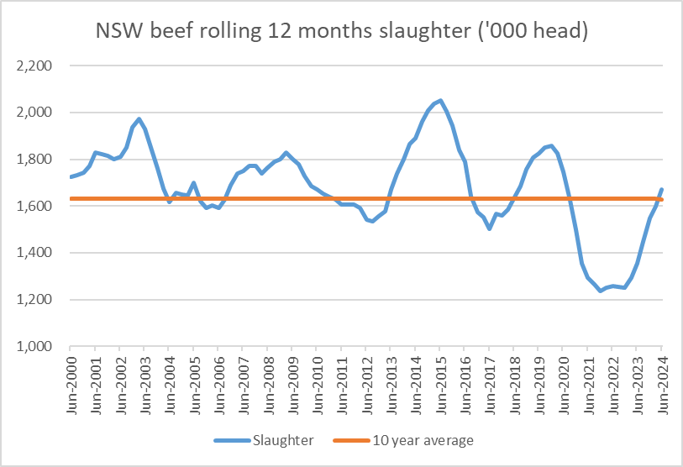
Jun-2006 | 1,590 | 1,631
Sep-2006 | 1,627 | 1,631
Dec-2006 | 1,690 | 1,631
Mar-2007 | 1,738 | 1,631
Jun-2007 | 1,750 | 1,631
Sep-2007 | 1,773 | 1,631
Dec-2007 | 1,770 | 1,631
Mar-2008 | 1,741 | 1,631
Jun-2008 | 1,764 | 1,631
Sep-2008 | 1,790 | 1,631
Dec-2008 | 1,800 | 1,631
Mar-2009 | 1,829 | 1,631
Jun-2009 | 1,800 | 1,631
Sep-2009 | 1,777 | 1,631
Dec-2009 | 1,729 | 1,631
Mar-2010 | 1,684 | 1,631
Jun-2010 | 1,672 | 1,631
Sep-2010 | 1,654 | 1,631
Dec-2010 | 1,639 | 1,631
Mar-2011 | 1,627 | 1,631
Jun-2011 | 1,605 | 1,631
Sep-2011 | 1,605 | 1,631
Dec-2011 | 1,605 | 1,631
Mar-2012 | 1,592 | 1,631
Jun-2012 | 1,543 | 1,631
Sep-2012 | 1,536 | 1,631
Dec-2012 | 1,556 | 1,631
Mar-2013 | 1,576 | 1,631
Jun-2013 | 1,672 | 1,631
Sep-2013 | 1,738 | 1,631
Dec-2013 | 1,799 | 1,631
Mar-2014 | 1,866 | 1,631
Jun-2014 | 1,891 | 1,631
Sep-2014 | 1,962 | 1,631
Dec-2014 | 2,007 | 1,631
Mar-2015 | 2,037 | 1,631
Jun-2015 | 2,051 | 1,631
Sep-2015 | 2,003 | 1,631
Dec-2015 | 1,943 | 1,631
Mar-2016 | 1,840 | 1,631
Jun-2016 | 1,790 | 1,631
Sep-2016 | 1,641 | 1,631
Dec-2016 | 1,574 | 1,631
Mar-2017 | 1,554 | 1,631
Jun-2017 | 1,503 | 1,631
Sep-2017 | 1,565 | 1,631
Dec-2017 | 1,561 | 1,631
Mar-2018 | 1,585 | 1,631
Jun-2018 | 1,637 | 1,631
Sep-2018 | 1,686 | 1,631
Dec-2018 | 1,755 | 1,631
Mar-2019 | 1,808 | 1,631
Jun-2019 | 1,824 | 1,631
Sep-2019 | 1,849 | 1,631
Dec-2019 | 1,857 | 1,631
Mar-2020 | 1,827 | 1,631
Jun-2020 | 1,745 | 1,631
Sep-2020 | 1,626 | 1,631
Dec-2020 | 1,499 | 1,631
Mar-2021 | 1,356 | 1,631
Jun-2021 | 1,293 | 1,631
Sep-2021 | 1,264 | 1,631
Dec-2021 | 1,237 | 1,631
Mar-2022 | 1,250 | 1,631
Jun-2022 | 1,257 | 1,631
Sep-2022 | 1,254 | 1,631
Dec-2022 | 1,252 | 1,631
Mar-2023 | 1,295 | 1,631
Jun-2023 | 1,353 | 1,631
Sep-2023 | 1,447 | 1,631
Dec-2023 | 1,549 | 1,631
Mar-2024 | 1,598 | 1,631
Jun-2024 | 1669.7 | 1626.6804878

