Sheet1
 | Australian sheepmeat exports (tonnes) | 10 year average
2005 | 271,747 | 465,074
2006 | 294,421 | 465,074
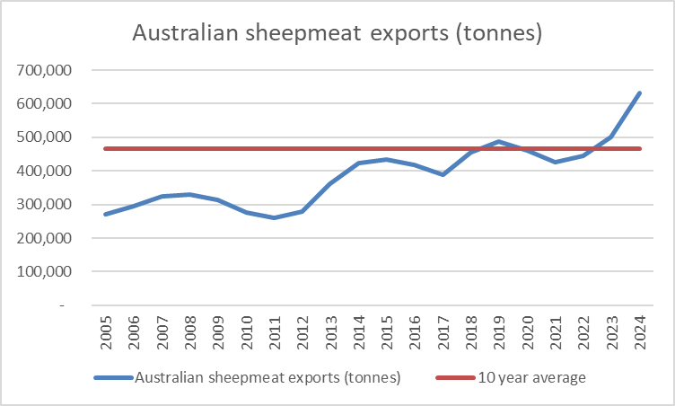
2007 | 324,335 | 465,074
2008 | 329,923 | 465,074
2009 | 313,521 | 465,074
2010 | 276,582 | 465,074
2011 | 259,045 | 465,074
2012 | 277,579 | 465,074
2013 | 361,557 | 465,074
2014 | 422,714 | 465,074
2015 | 433,541 | 465,074
2016 | 417,197 | 465,074
2017 | 389,865 | 465,074
2018 | 456,697 | 465,074
2019 | 488,629 | 465,074
2020 | 461,703 | 465,074
2021 | 425,781 | 465,074
2022 | 445,599 | 465,074
2023 | 500,025 | 465,074 | S&P Global (2024) Global Trade Atlas (GTA). Subscription service. Last accessed October 2024.
2024 | 631,704 | 465,074

