Sheet1
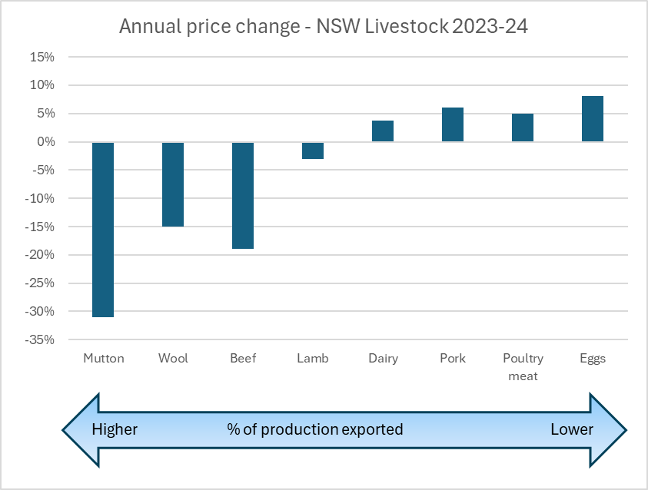
 | Annual price change
Mutton | -31%
Wool | -15%
Beef | -19%
Lamb | -3%
Dairy | 4%
Pork | 6%
Poultry meat | 5%
Eggs | 8%

Source
NSW Department of Primary Industries and Regional Development (DPIRD) (2024). DPIRD financial year estimate of commodity value, production or price.

