Sheet1
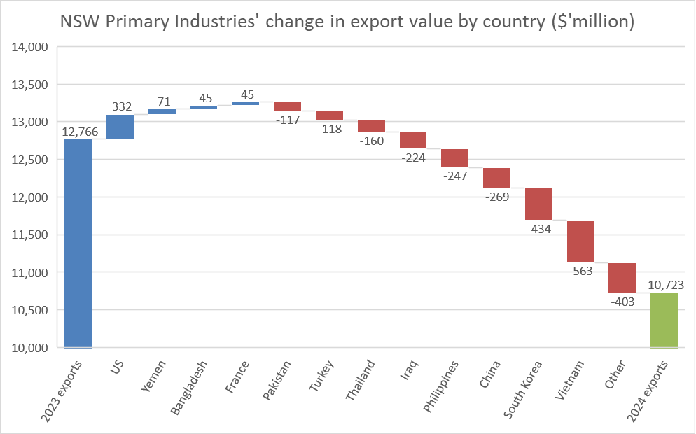
NSW Primary Industries' change in export value by country ($'million)

2023 exports | 12,766
US | 332
Yemen | 71
Bangladesh | 45
France | 45
Pakistan | -117
Turkey | -118
Thailand | -160
Iraq | -224
Philippines | -247
China | -269
South Korea | -434
Vietnam | -563
Other | -403
2024 exports | 10,723

