Sheet1
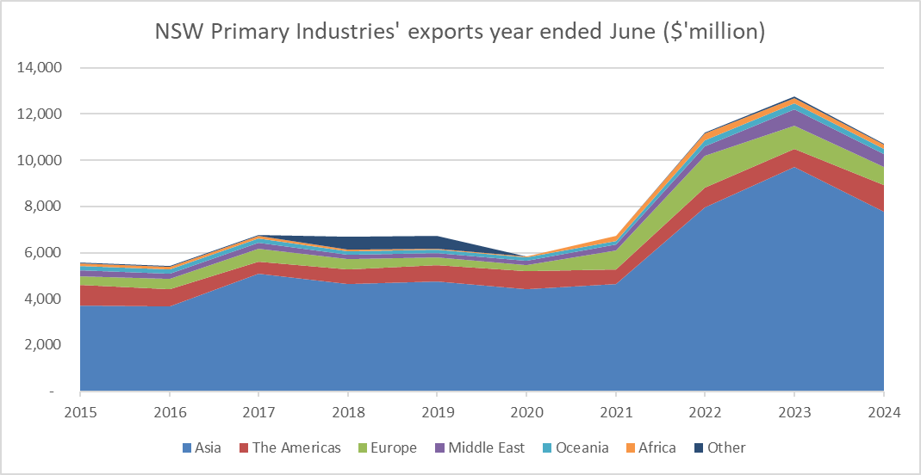
NSW Primary Industries' exports by Region ($'million)

 | 2015 | 2016 | 2017 | 2018 | 2019 | 2020 | 2021 | 2022 | 2023 | 2024
Asia | 3,728 | 3,676 | 5,082 | 4,642 | 4,769 | 4,419 | 4,637 | 7,957 | 9,721 | 7,758
The Americas | 871 | 728 | 515 | 620 | 707 | 773 | 651 | 860 | 758 | 1,149
Europe | 396 | 460 | 561 | 467 | 313 | 281 | 797 | 1,362 | 1,008 | 785
Middle East | 237 | 219 | 253 | 165 | 193 | 180 | 254 | 428 | 731 | 583
Oceania | 180 | 180 | 187 | 159 | 148 | 135 | 173 | 266 | 250 | 223
Africa | 130 | 126 | 128 | 83 | 48 | 35 | 226 | 285 | 235 | 160
Other | 43 | 23 | 36 | 557 | 535 | 7 | 5 | 40 | 63 | 64
Total | 5,584 | 5,412 | 6,762 | 6,693 | 6,712 | 5,829 | 6,743 | 11,199 | 12,766 | 10,723

