Sheet1
Commodity Milk Value
https://milkvalue.com.au/australian-dairy-market/milk-values/

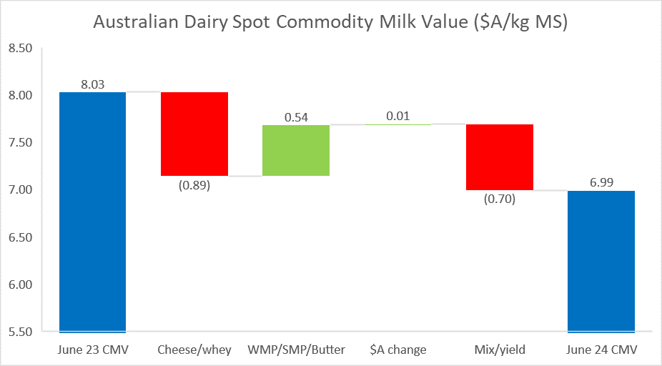
June 23 CMV | 8.03
WMP/SMP/Butter | 0.54
$A change | 0.01
Mix/yield | (0.70)
Cheese/whey | (0.89)
June 24 CMV | 6.99

