Sheet1
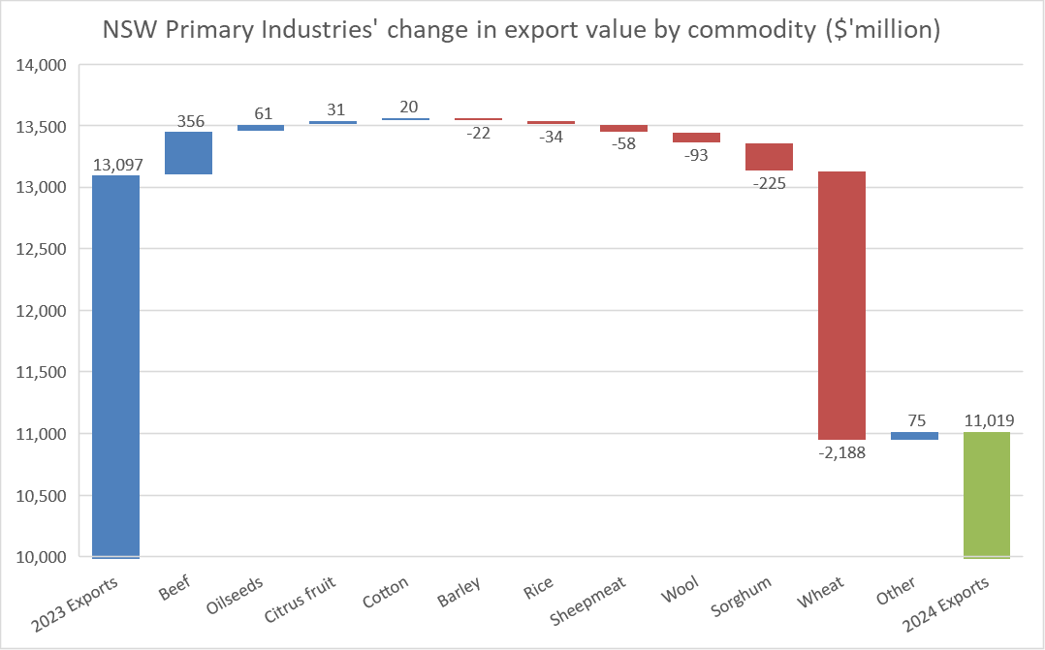
NSW Primary Industries' change in export value by commodity ($'million)

2023 Exports | 13,097
Beef | 356
Oilseeds | 61
Citrus fruit | 31
Cotton | 20
Barley | -22
Rice | -34
Sheepmeat | -58
Wool | -93
Sorghum | -225
Wheat | -2,188
Other | 75
2024 Exports | 11,019

S&P Global (2023) Global Trade Atlas (GTA). Subscription service. Last accessed October 2024.

