Sheet1
NSW Rolling 12 month milk supply (million litres)
 | Rolling 12 month milk supply | 10 year average
Jul-11 | 1,089 | 1,100
Aug-11 | 1,088 | 1,100
Sep-11 | 1,091 | 1,100
Oct-11 | 1,098 | 1,100
Nov-11 | 1,101 | 1,100
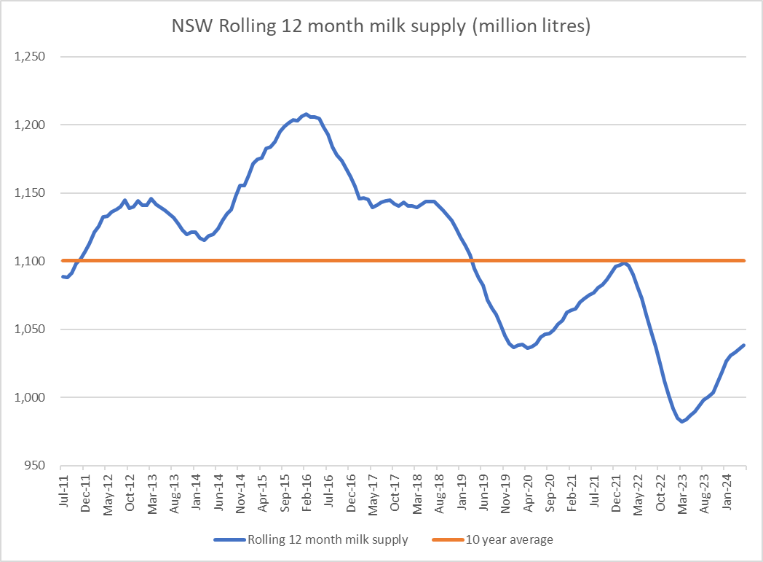
Dec-11 | 1,107 | 1,100
Jan-12 | 1,113 | 1,100
Feb-12 | 1,121 | 1,100
Mar-12 | 1,126 | 1,100
Apr-12 | 1,133 | 1,100
May-12 | 1,133 | 1,100
Jun-12 | 1,136 | 1,100
Jul-12 | 1,138 | 1,100
Aug-12 | 1,140 | 1,100
Sep-12 | 1,145 | 1,100
Oct-12 | 1,139 | 1,100
Nov-12 | 1,140 | 1,100
Dec-12 | 1,144 | 1,100
Jan-13 | 1,141 | 1,100
Feb-13 | 1,141 | 1,100
Mar-13 | 1,146 | 1,100
Apr-13 | 1,142 | 1,100
May-13 | 1,140 | 1,100
Jun-13 | 1,137 | 1,100
Jul-13 | 1,135 | 1,100
Aug-13 | 1,132 | 1,100
Sep-13 | 1,128 | 1,100
Oct-13 | 1,123 | 1,100
Nov-13 | 1,120 | 1,100
Dec-13 | 1,121 | 1,100
Jan-14 | 1,121 | 1,100
Feb-14 | 1,117 | 1,100
Mar-14 | 1,116 | 1,100
Apr-14 | 1,119 | 1,100
May-14 | 1,120 | 1,100
Jun-14 | 1,124 | 1,100
Jul-14 | 1,130 | 1,100
Aug-14 | 1,135 | 1,100
Sep-14 | 1,138 | 1,100
Oct-14 | 1,147 | 1,100
Nov-14 | 1,156 | 1,100
Dec-14 | 1,156 | 1,100
Jan-15 | 1,163 | 1,100
Feb-15 | 1,171 | 1,100
Mar-15 | 1,175 | 1,100
Apr-15 | 1,176 | 1,100
May-15 | 1,183 | 1,100
Jun-15 | 1,184 | 1,100
Jul-15 | 1,188 | 1,100
Aug-15 | 1,195 | 1,100
Sep-15 | 1,199 | 1,100
Oct-15 | 1,202 | 1,100
Nov-15 | 1,204 | 1,100
Dec-15 | 1,203 | 1,100
Jan-16 | 1,207 | 1,100
Feb-16 | 1,208 | 1,100
Mar-16 | 1,206 | 1,100
Apr-16 | 1,206 | 1,100
May-16 | 1,205 | 1,100
Jun-16 | 1,198 | 1,100
Jul-16 | 1,193 | 1,100
Aug-16 | 1,184 | 1,100
Sep-16 | 1,178 | 1,100
Oct-16 | 1,174 | 1,100
Nov-16 | 1,168 | 1,100
Dec-16 | 1,162 | 1,100
Jan-17 | 1,155 | 1,100
Feb-17 | 1,146 | 1,100
Mar-17 | 1,146 | 1,100
Apr-17 | 1,145 | 1,100
May-17 | 1,140 | 1,100
Jun-17 | 1,141 | 1,100
Jul-17 | 1,143 | 1,100
Aug-17 | 1,145 | 1,100
Sep-17 | 1,145 | 1,100
Oct-17 | 1,142 | 1,100
Nov-17 | 1,141 | 1,100
Dec-17 | 1,143 | 1,100
Jan-18 | 1,141 | 1,100
Feb-18 | 1,141 | 1,100
Mar-18 | 1,139 | 1,100
Apr-18 | 1,142 | 1,100
May-18 | 1,144 | 1,100
Jun-18 | 1,144 | 1,100
Jul-18 | 1,144 | 1,100
Aug-18 | 1,141 | 1,100
Sep-18 | 1,137 | 1,100
Oct-18 | 1,134 | 1,100
Nov-18 | 1,130 | 1,100
Dec-18 | 1,124 | 1,100
Jan-19 | 1,118 | 1,100
Feb-19 | 1,111 | 1,100
Mar-19 | 1,105 | 1,100
Apr-19 | 1,095 | 1,100
May-19 | 1,088 | 1,100
Jun-19 | 1,082 | 1,100
Jul-19 | 1,072 | 1,100
Aug-19 | 1,066 | 1,100
Sep-19 | 1,061 | 1,100
Oct-19 | 1,053 | 1,100
Nov-19 | 1,045 | 1,100
Dec-19 | 1,039 | 1,100
Jan-20 | 1,037 | 1,100
Feb-20 | 1,039 | 1,100
Mar-20 | 1,039 | 1,100
Apr-20 | 1,036 | 1,100
May-20 | 1,037 | 1,100
Jun-20 | 1,039 | 1,100
Jul-20 | 1,044 | 1,100
Aug-20 | 1,046 | 1,100
Sep-20 | 1,047 | 1,100
Oct-20 | 1,050 | 1,100
Nov-20 | 1,054 | 1,100
Dec-20 | 1,056 | 1,100
Jan-21 | 1,062 | 1,100
Feb-21 | 1,064 | 1,100
Mar-21 | 1,065 | 1,100
Apr-21 | 1,070 | 1,100
May-21 | 1,073 | 1,100
Jun-21 | 1,075 | 1,100
Jul-21 | 1,077 | 1,100
Aug-21 | 1,081 | 1,100
Sep-21 | 1,083 | 1,100
Oct-21 | 1,087 | 1,100
Nov-21 | 1,091 | 1,100
Dec-21 | 1,096 | 1,100
Jan-22 | 1,097 | 1,100
Feb-22 | 1,099 | 1,100
Mar-22 | 1,096 | 1,100
Apr-22 | 1,090 | 1,100
May-22 | 1,081 | 1,100
Jun-22 | 1,072 | 1,100
Jul-22 | 1,061 | 1,100
Aug-22 | 1,048 | 1,100
Sep-22 | 1,037 | 1,100
Oct-22 | 1,025 | 1,100
Nov-22 | 1,012 | 1,100
Dec-22 | 1,002 | 1,100
Jan-23 | 992 | 1,100
Feb-23 | 985 | 1,100
Mar-23 | 982 | 1,100
Apr-23 | 984 | 1,100
May-23 | 987 | 1,100
Jun-23 | 990 | 1,100
Jul-23 | 994 | 1,100
Aug-23 | 998 | 1,100
Sep-23 | 1,000 | 1,100
Oct-23 | 1,004 | 1,100
Nov-23 | 1,011 | 1,100
Dec-23 | 1,019 | 1,100
Jan-24 | 1,026 | 1,100
Feb-24 | 1,031 | 1,100
Mar-24 | 1,033 | 1,100
Apr-24 | 1,036 | 1,100
May-24 | 1,038 | 1,100
Jun-24 | 1,040 | 1,100

