Sheet1
 | Lamb slaughter ('000 head, RHS) | Lamb production (tonnes, LHS)
Jun-1973 | 6,241 | 100,875
Jun-1974 | 4,961 | 87,116
Jun-1975 | 5,851 | 102,360
Jun-1976 | 5,516 | 94,300
Jun-1977 | 5,120 | 86,515
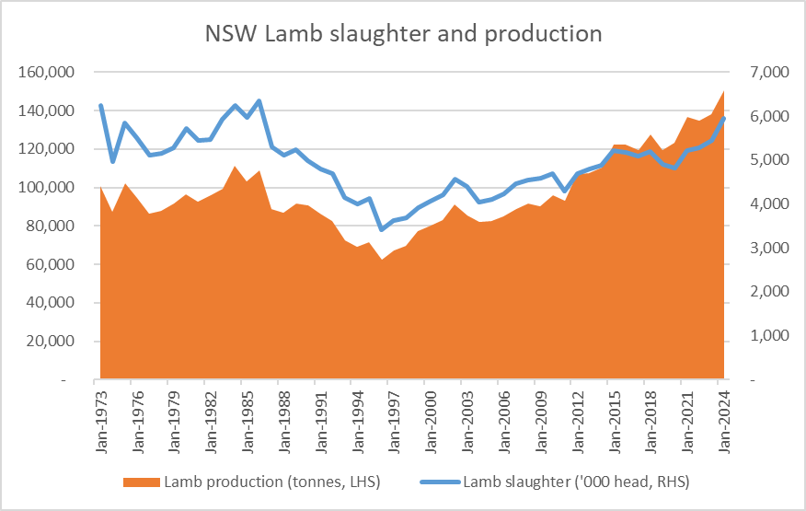
Jun-1978 | 5,157 | 87,980
Jun-1979 | 5,283 | 91,595
Jun-1980 | 5,717 | 96,600
Jun-1981 | 5,439 | 92,394
Jun-1982 | 5,463 | 96,089
Jun-1983 | 5,919 | 99,447
Jun-1984 | 6,231 | 111,367
Jun-1985 | 5,964 | 103,075
Jun-1986 | 6,357 | 108,828
Jun-1987 | 5,296 | 88,550
Jun-1988 | 5,112 | 86,893
Jun-1989 | 5,235 | 91,573
Jun-1990 | 4,990 | 90,806
Jun-1991 | 4,790 | 86,144
Jun-1992 | 4,684 | 82,744
Jun-1993 | 4,140 | 72,607
Jun-1994 | 3,992 | 69,247
Jun-1995 | 4,134 | 71,739
Jun-1996 | 3,417 | 62,648 | Australian Bureau of Statistics, 7215.0 Livestock Products, Australia, June 2024 Quarter https://www.abs.gov.au/statistics/industry/agriculture/livestock-products-australia/latest-release
Jun-1997 | 3,621 | 67,173
Jun-1998 | 3,695 | 69,821
Jun-1999 | 3,913 | 77,138
Jun-2000 | 4,059 | 80,016
Jun-2001 | 4,203 | 82,907
Jun-2002 | 4,559 | 91,400
Jun-2003 | 4,389 | 85,304
Jun-2004 | 4,047 | 82,148
Jun-2005 | 4,111 | 82,550
Jun-2006 | 4,227 | 84,763
Jun-2007 | 4,458 | 88,855
Jun-2008 | 4,542 | 91,768
Jun-2009 | 4,595 | 90,234
Jun-2010 | 4,698 | 95,969
Jun-2011 | 4,302 | 92,906
Jun-2012 | 4,684 | 106,755
Jun-2013 | 4,794 | 107,617
Jun-2014 | 4,881 | 110,206
Jun-2015 | 5,224 | 122,120
Jun-2016 | 5,178 | 122,403
Jun-2017 | 5,091 | 119,469
Jun-2018 | 5,198 | 127,521
Jun-2019 | 4,890 | 119,346
Jun-2020 | 4,808 | 123,467
Jun-2021 | 5,224 | 136,822
Jun-2022 | 5,282 | 134,568
Jun-2023 | 5,440 | 138,045
Jun-2024 | 5,941 | 150,738

