Sheet1
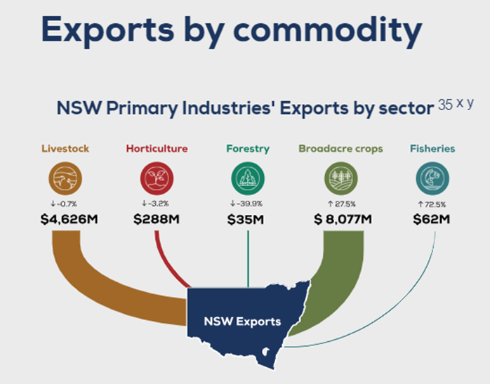
NSW Primary Industries' exports by sector ($'million)

 | 2015 | 2016 | 2017 | 2018 | 2019 | 2020 | 2021 | 2022 | 2023 | 2024
Livestock | 3,349 | 3,174 | 3,042 | 3,672 | 4,150 | 4,316 | 3,655 | 4,659 | 4,625 | 4,850
Broadacre crops | 2,274 | 2,185 | 3,348 | 2,757 | 2,172 | 976 | 2,686 | 6,334 | 8,088 | 5,738
Horticulture | 212 | 240 | 325 | 365 | 458 | 462 | 288 | 297 | 288 | 340
Fisheries | 19 | 23 | 23 | 21 | 24 | 22 | 29 | 36 | 62 | 47
Forestry | 91 | 92 | 138 | 147 | 166 | 181 | 115 | 58 | 35 | 44
Total | 5,945 | 5,713 | 6,876 | 6,962 | 6,971 | 5,958 | 6,773 | 11,383 | 13,097 | 11,019

S&P Global (2023) Global Trade Atlas (GTA). Subscription service. Last accessed October 2024.

