Sheet1
 | Heavy steer Price | Retail price of beef | Export price beef
Mar-2003 | 100 | 100 | 100
Jun-2003 | 101 | 103 | 96
Sep-2003 | 104 | 105 | 96
Dec-2003 | 106 | 105 | 102
Mar-2004 | 102 | 105 | 108
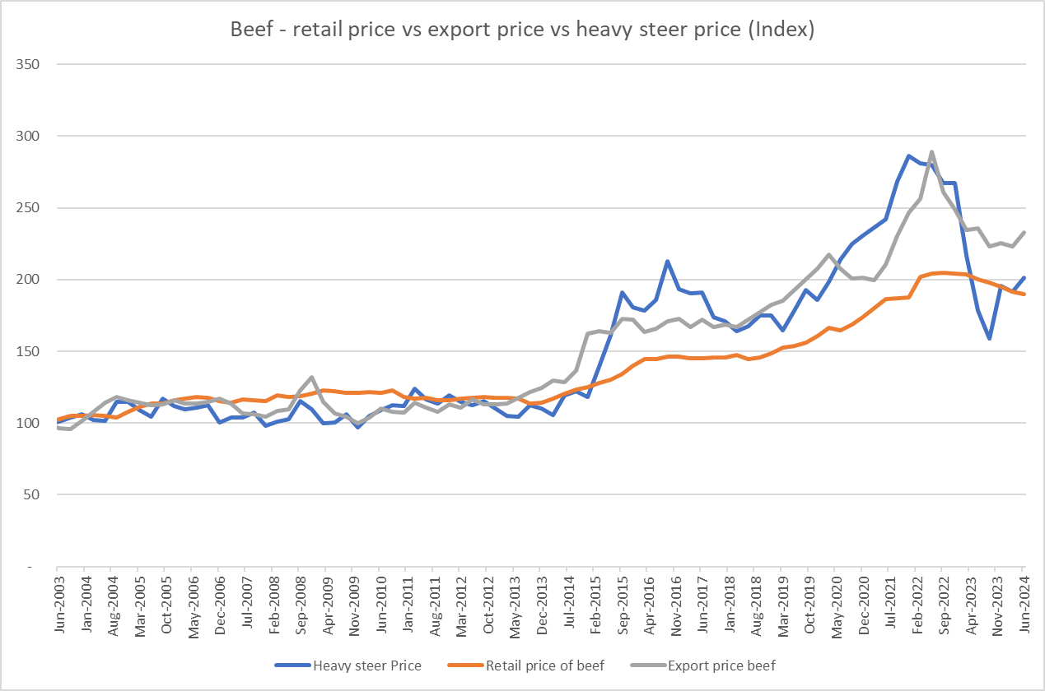
Jun-2004 | 102 | 105 | 114
Sep-2004 | 115 | 104 | 118
Dec-2004 | 115 | 108 | 116
Mar-2005 | 109 | 111 | 114
Jun-2005 | 105 | 114 | 112
Sep-2005 | 117 | 114 | 113
Dec-2005 | 112 | 116 | 116
Mar-2006 | 109 | 117 | 113
Jun-2006 | 111 | 118 | 113
Sep-2006 | 113 | 118 | 115
Dec-2006 | 101 | 115 | 117
Mar-2007 | 104 | 114 | 114
Jun-2007 | 104 | 117 | 107
Sep-2007 | 107 | 116 | 106
Dec-2007 | 98 | 116 | 105
Mar-2008 | 101 | 119 | 109
Jun-2008 | 103 | 118 | 110
Sep-2008 | 115 | 119 | 123
Dec-2008 | 110 | 120 | 132
Mar-2009 | 100 | 123 | 115
Jun-2009 | 101 | 122 | 107
Sep-2009 | 106 | 121 | 104
Dec-2009 | 97 | 121 | 100
Mar-2010 | 105 | 122 | 104
Jun-2010 | 109 | 121 | 110
Sep-2010 | 112 | 123 | 108
Dec-2010 | 112 | 118 | 107
Mar-2011 | 124 | 117 | 114
Jun-2011 | 116 | 118 | 111
Sep-2011 | 113 | 116 | 108
Dec-2011 | 119 | 116 | 113
Mar-2012 | 115 | 117 | 111
Jun-2012 | 112 | 118 | 116
Sep-2012 | 115 | 118 | 113
Dec-2012 | 110 | 118 | 113
Mar-2013 | 105 | 118 | 114
Jun-2013 | 105 | 117 | 118
Sep-2013 | 112 | 114 | 122
Dec-2013 | 110 | 114 | 124
Mar-2014 | 106 | 117 | 130
Jun-2014 | 120 | 121 | 128
Sep-2014 | 122 | 123 | 137
Dec-2014 | 118 | 125 | 163
Mar-2015 | 140 | 128 | 164
Jun-2015 | 161 | 130 | 163
Sep-2015 | 191 | 134 | 173
Dec-2015 | 181 | 140 | 172
Mar-2016 | 178 | 145 | 163
Jun-2016 | 186 | 145 | 166
Sep-2016 | 213 | 146 | 171
Dec-2016 | 193 | 146 | 173
Mar-2017 | 191 | 145 | 167
Jun-2017 | 191 | 145 | 172
Sep-2017 | 174 | 146 | 167
Dec-2017 | 171 | 146 | 169
Mar-2018 | 164 | 147 | 167
Jun-2018 | 167 | 145 | 172
Sep-2018 | 175 | 146 | 177
Dec-2018 | 175 | 149 | 183
Mar-2019 | 165 | 153 | 185
Jun-2019 | 178 | 153 | 193
Sep-2019 | 193 | 156 | 200
Dec-2019 | 186 | 161 | 208
Mar-2020 | 199 | 166 | 217
Jun-2020 | 214 | 164 | 208
Sep-2020 | 225 | 169 | 201
Dec-2020 | 231 | 174 | 201
Mar-2021 | 236 | 180 | 200
Jun-2021 | 242 | 187 | 210
Sep-2021 | 268 | 187 | 231
Dec-2021 | 286 | 188 | 247
Mar-2022 | 281 | 202 | 256
Jun-2022 | 280 | 204 | 289
Sep-2022 | 267 | 205 | 261
Dec-2022 | 267 | 204 | 249
Mar-2023 | 217 | 204 | 235
Jun-2023 | 178 | 200 | 236
Sep-2023 | 159 | 198 | 223
Dec-2023 | 195 | 195 | 225
Mar-2024 | 192 | 192 | 223
Jun-2024 | 201 | 190 | 233

