Sheet1
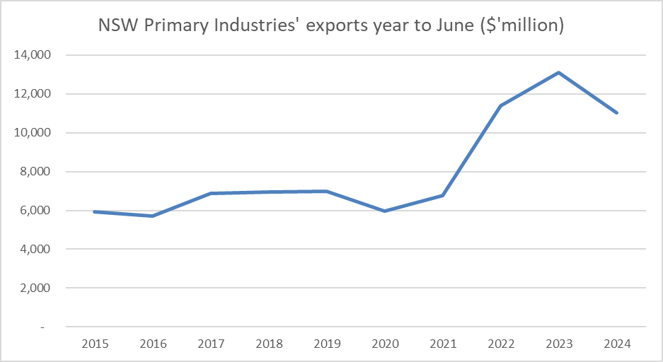
NSW Primary Industries' exports year to June ($'million)

 | 2015 | 2016 | 2017 | 2018 | 2019 | 2020 | 2021 | 2022 | 2023 | 2024
NSW Primary Industries' exports year to June ($'million) | 5,945 | 5,713 | 6,876 | 6,962 | 6,971 | 5,958 | 6,773 | 11,383 | 13,097 | 11,019

